FInal table formatted
Soil properties | Nitrate (mmol/kg) | Manganese (mmol/kg) | Iron (mmol/kg) | Sulphates (mmol/kg) | Nitrate (kJ available/kg) | Manganese (kJ available/kg) | Iron (kJ available/kg) | Sulphate (kJ available/kg) | Total available energy to be gained by bezene oxidation (in kJ) | pH | Conductivity (dS/m)
SC1 | 0.12579650963 | 2.0022570898 | 83.079677708 | 0.54132833646 | -312.18500473 | -2246.7994224 | -1453.8943599 | -113.19426748 | -4126.0730545 | 8.85 | 0.084
SC2 | 0.1451498188 | 2.730350577 | 158.10205909 | 1.051426192 | -360.213467 | -3063.8173942 | -2766.786034 | -154.35581929 | -6345.1727145 | 8.58 | 0.123
SC3 | 0 | 0.98292620773 | 66.60698299 | 2.5400791172 | 0 | -1102.9742619 | -1165.6222023 | -55.568094943 | -2324.1645592 | 8.13 | 0.149
SC4 | 0 | 1.1831519167 | 56.401074306 | 0.6350197793 | 0 | -1327.6542041 | -987.01880036 | -66.887521691 | -2381.5605262 | 8.3 | 0.064
SC5 | 0 | 1.3287706141 | 61.772605192 | 1.4782427649 | 0 | -1491.0577985 | -1081.0205909 | -75.119832053 | -2647.1982214 | 8.04 | 0.068
SC6 | 0.10321764893 | 2.930576286 | 38.675022381 | 1.676035811 | -256.15179876 | -3288.4973364 | -676.81289167 | -165.67524603 | -4387.1372729 | 7.86 | 0.068

Soil properties | Nitrate (kJ available/kg) | Manganese (kJ available/kg) | Iron (kJ available/kg) | Sulphate (kJ available/kg) |  | Soil properties | Nitrate (how much mole of benzene can be oxidised) | Manganese (how much mole of benzene can be oxidised) | Iron (how much mole of benzene can be oxidised) | Sulphate (how much mole of benzene can be oxidised)
SC1 | 312.18500473 | 2246.7994224 | 1453.8943599 | 30.603095288 |  | SC1 | 0.10483042469 | 1.0678704479
SC2 | 360.213467 | 3063.8173942 | 2766.786034 | 59.440627386 |  | SC2 | 0.12095818234 | 1.4561869744
SC3 | 0 | 1102.9742619 | 1165.6222023 | 143.59913943 |  | SC3 | 0 | 0.52422731079
SC4 | 0 | 1327.6542041 | 987.01880036 | 35.899784857 |  | SC4 | 0 | 0.63101435558
SC5 | 0 | 1491.0577985 | 1081.0205909 | 83.569990978 |  | SC5 | 0 | 0.70867766088
SC6 | 256.15179876 | 3288.4973364 | 676.81289167 | 94.751891179 |  | SC6 | 0.08601470744 | 1.5629740192

Taking into account bioavailable Maganese/Iron (minimal measurements, considered to be limit of bioavailability)
Soil properties | Nitrate (kJ available/kg) | Manganese (kJ available/kg) | Iron (kJ available/kg) | Sulphate (kJ available/kg)
SC1 | 312.18500473 | 1143.8251605 | 777.08146822 | 113.19426748
SC2 | 360.213467 | 1960.8431323 | 2089.9731423 | 154.35581929
SC3 | 0 | 0 | 488.80931065 | 55.568094943
SC4 | 0 | 224.67994224 | 310.20590868 | 66.887521691
SC5 | 0 | 388.08353659 | 404.20769919 | 75.119832053
SC6 | 256.15179876 | 2185.5230745 | 0 | 165.67524603

Acceptable_Potential
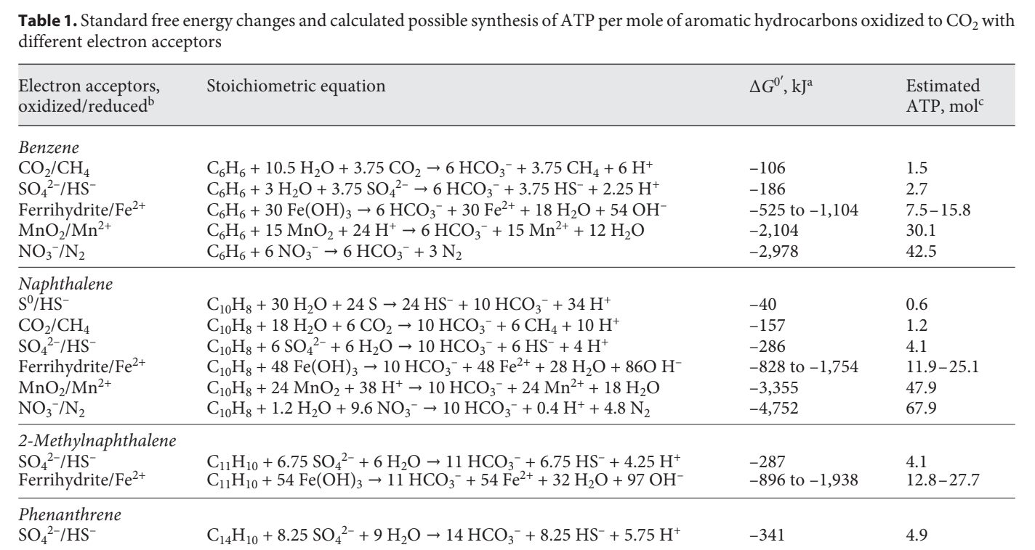
 |  | Number of electrons accepted per mole (in mol) | Total mmol electrons 'acceptable' for this compound | Gibs free energy after oxidising 1 benzene using this electron acceptor | How much mole is consumed per mmole of benzene | how many moles of benzene can be oxidised using this electron acceptor
Soil properties | Nitrate (mmol/kg) | 5 |  | -2.978 | 6
SC1 | 0.12579650963 | 5 | 0.62898254815 | -2.978 | 6 | 0.020966084938
SC2 | 0.1451498188 | 5 | 0.72574909402 | -2.978 | 6 | 0.024191636467
SC3 | 0 | 5 | 0 | -2.978 | 6 | 0
SC4 | 0 | 5 | 0 | -2.978 | 6 | 0
SC5 | 0 | 5 | 0 | -2.978 | 6 | 0
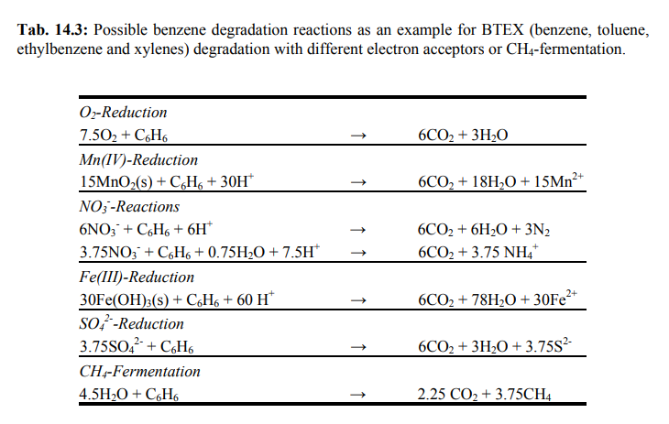
SC6 | 0.10321764893 | 5 | 0.51608824464 | -2.978 | 6 | 0.017202941488

 |  | Number of electrons accepted per mole (in mol) | Total mmol electrons 'acceptable' for this compound | Gibs free energy after oxidising 1 benzene using this electron acceptor | How much mmole is consumed per mole of benzene
 | Manganese (mmol/kg) | 2 |  | -2104 | 15
SC1 | 2.0022570898 | 2 | 4.0045141796 | -2104 | 15 | 0.26696761197
SC2 | 2.730350577 | 2 | 5.460701154 | -2104 | 15 | 0.3640467436
SC3 | 0.98292620773 | 2 | 1.9658524155 | -2104 | 15 | 0.1310568277
SC4 | 1.1831519167 | 2 | 2.3663038334 | -2104 | 15 | 0.15775358889
SC5 | 1.3287706141 | 2 | 2.6575412283 | -2104 | 15 | 0.17716941522
SC6 | 2.930576286 | 2 | 5.861152572 | -2104 | 15 | 0.3907435048

 |  | Number of electrons accepted per mole (in mol) | Total mmol electrons 'acceptable' for this compound | Gibs free energy after oxidising 1 benzene using this electron acceptor | How much mmole is consumed per mole of benzene
 | Iron (mmol/kg) | 1 |  | -525 | 30
SC1 | 83.079677708 | 1 | 83.079677708 | -525 | 30 | 2.7693225903
SC2 | 158.10205909 | 1 | 158.10205909 | -525 | 30 | 5.2700686362
SC3 | 66.60698299 | 1 | 66.60698299 | -525 | 30 | 2.2202327663
SC4 | 56.401074306 | 1 | 56.401074306 | -525 | 30 | 1.8800358102
SC5 | 61.772605192 | 1 | 61.772605192 | -525 | 30 | 2.0590868397
SC6 | 38.675022381 | 1 | 38.675022381 | -525 | 30 | 1.2891674127

 |  | Number of electrons accepted per mole (in mol) | Total mmol electrons 'acceptable' for this compound |  | How much mmole is consumed per mole of benzene
 | Sulphates (mmol/kg) | 8 |  | Gibs free energy after oxidising 1 benzene using this electron acceptor | 3.75
SC1 | 0.54132833646 | 8 | 4.3306266917 | -106 | 3.75 | 1.1548337844
SC2 | 1.051426192 | 8 | 8.4114095357 | -106 | 3.75 | 2.2430425429
SC3 | 2.5400791172 | 8 | 20.320632938 | -106 | 3.75 | 5.4188354501
SC4 | 0.6350197793 | 8 | 5.0801582344 | -106 | 3.75 | 1.3547088625
SC5 | 1.4782427649 | 8 | 11.82594212 | -106 | 3.75 | 3.1535845652
SC6 | 1.676035811 | 8 | 13.408286488 | -106 | 3.75 | 3.5755430634

Soil properties | Nitrate (mmol/kg) | how many mmoles of benzene can be oxidised using this electron acceptor | Gibs free energy after oxidising 1mole benzene using this electron acceptor | Manganese (mmol/kg) | how many mmoles of benzene can be oxidised using this electron acceptor | Gibs free energy after oxidising 1 benzene using this electron acceptor | Iron (mmol/kg) | how many mmoles of benzene can be oxidised using this electron acceptor | Gibs free energy after oxidising 1 benzene using this electron acceptor | Sulphates (mmol/kg) | how many mmoles of benzene can be oxidised using this electron acceptor | Gibs free energy after oxidising 1 benzene using this electron acceptor
SC1 | 0.12579650963 | 0.10483042469 | -2978 | 2.0022570898 | 0.26696761197 | -2104 | 83.079677708 | 2.7693225903 | -525 | 0.54132833646 | 1.1548337844 | -106
SC2 | 0.1451498188 | 0.12095818234 | -2978 | 2.730350577 | 0.3640467436 | -2104 | 158.10205909 | 5.2700686362 | -525 | 1.051426192 | 2.2430425429 | -106
SC3 | 0 | 0 | -2978 | 0.98292620773 | 0.1310568277 | -2104 | 66.60698299 | 2.2202327663 | -525 | 2.5400791172 | 5.4188354501 | -106
SC4 | 0 | 0 | -2978 | 1.1831519167 | 0.15775358889 | -2104 | 56.401074306 | 1.8800358102 | -525 | 0.6350197793 | 1.3547088625 | -106
SC5 | 0 | 0 | -2978 | 1.3287706141 | 0.17716941522 | -2104 | 61.772605192 | 2.0590868397 | -525 | 1.4782427649 | 3.1535845652 | -106
SC6 | 0.10321764893 | 0.08601470744 | -2978 | 2.930576286 | 0.3907435048 | -2104 | 38.675022381 | 1.2891674127 | -525 | 1.676035811 | 3.5755430634 | -106
 | Amount of energy available from using nitrate as electron acceptor |  |  | Amount of energy available from using Mangenese as electron acceptor |  |  | Amount of energy available from using Iron as electron acceptor |  |  | Amount of energy available from using Iron as electron acceptor |  |  | theoretical energy available if all electron acceptors are consumed for benzene oxidation
SC1 | -312.18500473 |  |  | -561.69985559 |  |  | -1453.8943599 |  |  | -122.41238115 |  |  | -987.07912781
SC2 | -360.213467 |  |  | -765.95434854 |  |  | -2766.786034 |  |  | -237.76250954 |  |  | -1280.5236348
SC3 | 0 |  |  | -275.74356547 |  |  | -1165.6222023 |  |  | -574.39655771 |  |  | -331.31166042
SC4 | 0 |  |  | -331.91355103 |  |  | -987.01880036 |  |  | -143.59913943 |  |  | -398.80107272
SC5 | 0 |  |  | -372.76444962 |  |  | -1081.0205909 |  |  | -334.27996391 |  |  | -447.88428168
SC6 | -256.15179876 |  |  | -822.1243341 |  |  | -676.81289167 |  |  | -379.00756472 |  |  | -1243.9513789

mg_to_mole
Soil properties | Nitrate (mg/kg) | Sulphates (mg/kg) | Iron (mg/kg) | Manganese (mg/kg) | pH | Conductivity (dS/m) |  | Soil properties | Nitrate (mmol/kg) | Sulphates (mmol/kg) | Iron (mmol/kg) | Manganese (mmol/kg) | pH | Conductivity (dS/m) | theoretical energy available if all electron acceptors are consumed for benzene oxidation (kJ)
SC1 | 7.8 | 52 | 4640 | 110 | 8.85 | 0.084 |  | SC1 | 0.12579650963 | 0.54132833646 | 83.079677708 | 2.0022570898 | 8.85 | 0.084 | -4126.0730545
SC2 | 9 | 101 | 8830 | 150 | 8.58 | 0.123 |  | SC2 | 0.1451498188 | 1.051426192 | 158.10205909 | 2.730350577 | 8.58 | 0.123 | -6345.1727145
SC3 | 0 | 244 | 3720 | 54 | 8.13 | 0.149 |  | SC3 | 0 | 2.5400791172 | 66.60698299 | 0.98292620773 | 8.13 | 0.149 | -2324.1645592
SC4 | 0 | 61 | 3150 | 65 | 8.3 | 0.064 |  | SC4 | 0 | 0.6350197793 | 56.401074306 | 1.1831519167 | 8.3 | 0.064 | -2381.5605262
SC5 | 0 | 142 | 3450 | 73 | 8.04 | 0.068 |  | SC5 | 0 | 1.4782427649 | 61.772605192 | 1.3287706141 | 8.04 | 0.068 | -2647.1982214
SC6 | 6.4 | 161 | 2160 | 161 | 7.86 | 0.068 |  | SC6 | 0.10321764893 | 1.676035811 | 38.675022381 | 2.930576286 | 7.86 | 0.068 | -4387.1372729

 |  | 0.12580645161

Nitrate (mg/kg) | Nitrate (g/kg) | Molar mass (62.0049 g/mol) | mol/kg | mmol/kg | Iron (mg/kg) | Iron (g/kg) | 55.85 g/mol. | mol/kg | mmol/kg
7.8 | 0.0078 | 62 | 0.00012579650963 | 0.12579650963 | 4640 | 4.64 | 55.85 | 0.083079677708 | 83.079677708
9 | 0.009 | 62 | 0.0001451498188 | 0.1451498188 | 8830 | 8.83 | 55.85 | 0.15810205909 | 158.10205909
0 | 0 | 62 | 0 | 0 | 3720 | 3.72 | 55.85 | 0.06660698299 | 66.60698299
0 | 0 | 62 | 0 | 0 | 3150 | 3.15 | 55.85 | 0.056401074306 | 56.401074306
0 | 0 | 62 | 0 | 0 | 3450 | 3.45 | 55.85 | 0.061772605192 | 61.772605192
6.4 | 0.0064 | 62 | 0.00010321764893 | 0.10321764893 | 2160 | 2.16 | 55.85 | 0.038675022381 | 38.675022381

Sulphates (mg/kg) | Sulphates (g/kg) | 96,06 g/mol | mol/kg | mmol/kg | Manganese (mg/kg) | Manganese (g/kg) | 54.938049 g/mol | mol/kg | mmol/kg
52 | 0.052 | 96.06 | 0.00054132833646 | 0.54132833646 | 110 | 0.11 | 55 | 0.0020022570898 | 2.0022570898
101 | 0.101 | 96.06 | 0.001051426192 | 1.051426192 | 150 | 0.15 | 55 | 0.002730350577 | 2.730350577
244 | 0.244 | 96.06 | 0.0025400791172 | 2.5400791172 | 54 | 0.054 | 55 | 0.00098292620773 | 0.98292620773
61 | 0.061 | 96.06 | 0.0006350197793 | 0.6350197793 | 65 | 0.065 | 55 | 0.0011831519167 | 1.1831519167
142 | 0.142 | 96.06 | 0.0014782427649 | 1.4782427649 | 73 | 0.073 | 55 | 0.0013287706141 | 1.3287706141
161 | 0.161 | 96.06 | 0.001676035811 | 1.676035811 | 161 | 0.161 | 55 | 0.002930576286 | 2.930576286

to electron acceptor capacity (number of electrons per mol) |  |  |  |  |  |  |  |  |  |  |  |  |  |  | Nitrate in SC1: 7.8 mg.kg-1 = 0.0078 g.kg-1
 |  | Number of electrons accepted per mole (in mol) | Total mmol electrons 'acceptable' for this compound |  |  | Number of electrons accepted per mole (in mol) | Total mmol electrons 'acceptable' for this compound |  |  |  |  |  |  |  | Molar mass nitrate = 62 g.mol-1
Soil properties | Nitrate (mmol/kg) | 5 |  |  | Iron (mmol/kg) | 1 |  |  |  |  |  |  |  |  | Moles of nitrate per kg dry soil: = 0.0078 g/ 62 g.mol-1= 0,000125806 Moles. kg-1
SC1 | 0.12579650963 | 5 | 0.62898254815 |  | 83.079677708 | 1 | 83.079677708 |  |  |  |  |  |  |  | Number of moles nitrate consumed per mole of benzene, based on Stoichiometric equation: 6
SC2 | 0.1451498188 | 5 | 0.72574909402 |  | 158.10205909 | 1 | 158.10205909 |  |  |  |  |  |  |  | How many moles of benzene can be oxidised x moles of nitrate:
SC3 | 0 | 5 | 0 |  | 66.60698299 | 1 | 66.60698299 |  |  |  |  |  |  |  | 1,25806 x 10-4 Moles. kg-1 nitrate / 6 = 2,09677 x 10-5 Moles. kg-1
SC4 | 0 | 5 | 0 |  | 56.401074306 | 1 | 56.401074306 |  |  |  |  |  |  |  | Molar mass benzene = 78.11 x 103 mg.mol-1
SC5 | 0 | 5 | 0 |  | 61.772605192 | 1 | 61.772605192 |  |  |  |  |  |  |  | Covert moles of benzene to mg.kg-1
SC6 | 0.10321764893 | 5 | 0.51608824464 |  | 38.675022381 | 1 | 38.675022381 |  |  |  |  |  |  |  | 2,09677 x 10-5 Moles. kg-1 * 78.11 x 103 mg.mol-1 = 1.638 mg.kg-1

 |  | Number of electrons accepted per mole (in mol)
 | Sulphates (mmol/kg) | 8 |  |  | Manganese (mmol/kg) | 2
 | 0.54132833646 | 8 | 4.3306266917 |  | 2.0022570898 | 2 | 4.0045141796
 | 1.051426192 | 8 | 8.4114095357 |  | 2.730350577 | 2 | 5.460701154
 | 2.5400791172 | 8 | 20.320632938 |  | 0.98292620773 | 2 | 1.9658524155
 | 0.6350197793 | 8 | 5.0801582344 |  | 1.1831519167 | 2 | 2.3663038334
 | 1.4782427649 | 8 | 11.82594212 |  | 1.3287706141 | 2 | 2.6575412283
 | 1.676035811 | 8 | 13.408286488 |  | 2.930576286 | 2 | 5.861152572

 |  |  |  |  |  |  |  |  |  | https://www.researchgate.net/figure/Order-of-utilization-of-electron-acceptor-half-reactions-in-soils-and-the-associated_tbl1_271943847

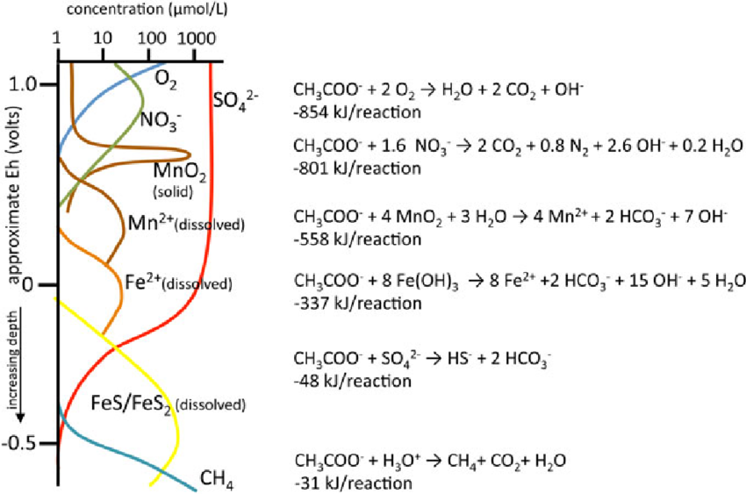

 |  |  |  |  |  |  |  | https://www.researchgate.net/figure/Simplified-sequence-of-microbial-redox-processes-in-a-stratified-sediment-after_fig2_305311154

Wetland study
 | iron2_mg_l | manganese2_mg_l | nitrate_N_mg_l | sulfate_mg_l
T0 | 0.30 | 0.9 | 0.017 | 73
T1 | 1.90 | 1.1 | 0.017 | 78
T2 | 1.20 | 0.9 | 0.017 | 81
T3 | 0.50 | 0.8 | 0.017 | 82
T4 | 0.60 | 0.8 | 0.017 | 87
T5 | 20.00 | 1.7 | 0.017 | 79
T6 | 4.20 | 1.4 | 0.017 | 140
T7 | 0.02 | 0.05 | 0.017 | 25
T8 | 1.50 | 0.8 | 0.017 | 72
 |  | manganese2_mg_l
 | T0 | 0.9
 | T1 | 1.1
 | T2 | 0.9
 | T3 | 0.8
 | T4 | 0.8
 | T5 | 1.7
 | T6 | 1.4
 | T7 | 0.05
 | T8 | 0.8

 |  |  | nitrate_N_mg_l
 |  | T0 | 0.017
 |  | T1 | 0.017
 |  | T2 | 0.017
 |  | T3 | 0.017
 |  | T4 | 0.017
 |  | T5 | 0.017
 |  | T6 | 0.017
 |  | T7 | 0.017
 |  | T8 | 0.017
 |  |  |  | sulfate_mg_l
 |  |  | T0 | 73
 |  |  | T1 | 78
 |  |  | T2 | 81
 |  |  | T3 | 82
 |  |  | T4 | 87
 |  |  | T5 | 79
 |  |  | T6 | 140
 |  |  | T7 | 25
 |  |  | T8 | 72

